Sheet1
 | Document No. | Issue No. |  | Issue Date |  | Review and Replace Date |  |  | Authorised By
 | GFF505MC | 2 |  | 02.09.2025 |  | 08.01.2026 |  |  | Magda Shah
 | Document Title | Aldi Bilash 2 Onion Bhaji 100g
Document amendments reason for change | Film changed |  |  |  | Page 1 of 1 |  | Previous Issue Date | 02.09.2025 | Uncontrolled copy unless signed original

COBHC4-G6TAL |  |  | Aldi Bilash |  | Aldi Bilash 2 Onion Bhaji 100g
STEP 1 |  |  |  |  | STEP 2
 |  |  |  |  | 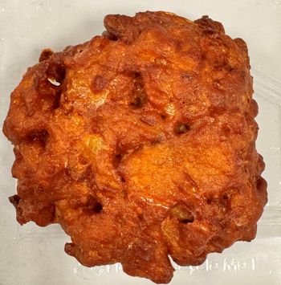
Tray: Grab & Go SQ Tray (141 X 141) PKESS001-09 |  |  |  |  | Onion Bhaji (GFF121R) : 50g
Film: AF Weld Film (300mmX1000lm)-PKKMP001-07
STEP 3
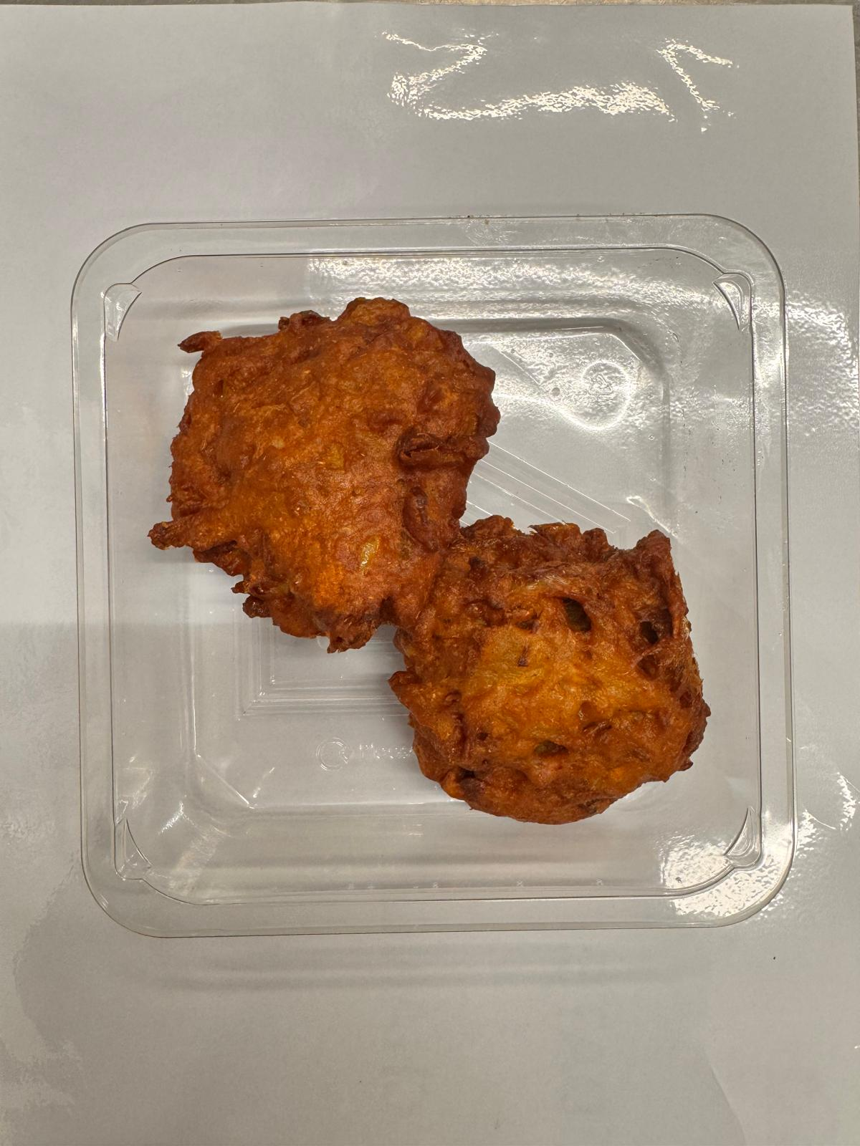
Onion Bhaji (GFF121R) (2X50g): 100g |  |  |  |  | Total Weight: 100g
ALLERGY ALERT: No Allergen

